Esmeralda
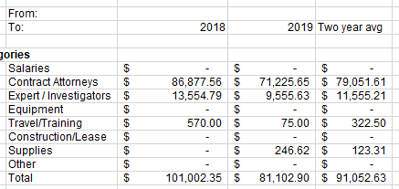
E226
Nevada Department of Indigent Defense Services
FINANCIAL STATUS REPORT

Esmeralda

Period |  | Modified: |  |  | 2022 FSR |  | FY2021
 | From: |  |  |  | 2022-07-01 |  | 2020-07-01
 | To: | 2018 | 2019 | Two year avg | 2023-06-30 | Difference | 2021-06-30

Expenditure Categories
 | Salaries | $- | $- | $- | $- | $- | $-
 | Contract Attorneys | $86,877.56 | $71,225.65 | $79,051.61 | $82,000.00 | $2,948.40 | $54,300.00
 | Expert / Investigators | $13,554.79 | $9,555.63 | $11,555.21 | $- | $(11,555.21) | $-
 | Equipment | $- | $- | $- | $- | $- | $-
 | Travel/Training | $- | $- | $- | $- | $- | $-
 | Construction/Lease | $- | $- | $- | $- | $- | $-
 | Supplies | $- | $- | $- | $- | $- | $-
 | Other | $- | $- | $- | $- | $- | $-
 | Total | $100,432.35 | $80,781.28 | $90,606.82 | $82,000.00 | $(8,606.82) | $54,300.00

 | Approved:

